Skills List
Productivity Criterias | SKILL​ | CATEGORY​ | Skill Level | IS TOP SKILL​ | Priority
 | Microsoft Office​ | Office Tool​ | 4 | Yes​ | 4
 | Git | Development Tool​ | 4 | Yé | 4
 | Katalon Studio​ | Automation Testing​ | 3 | Yes​ | 3
 | Azure CI/CD, Repo | Automation Testing | 3 | Yes​ | 3
 | Azure Test Plans | Testing
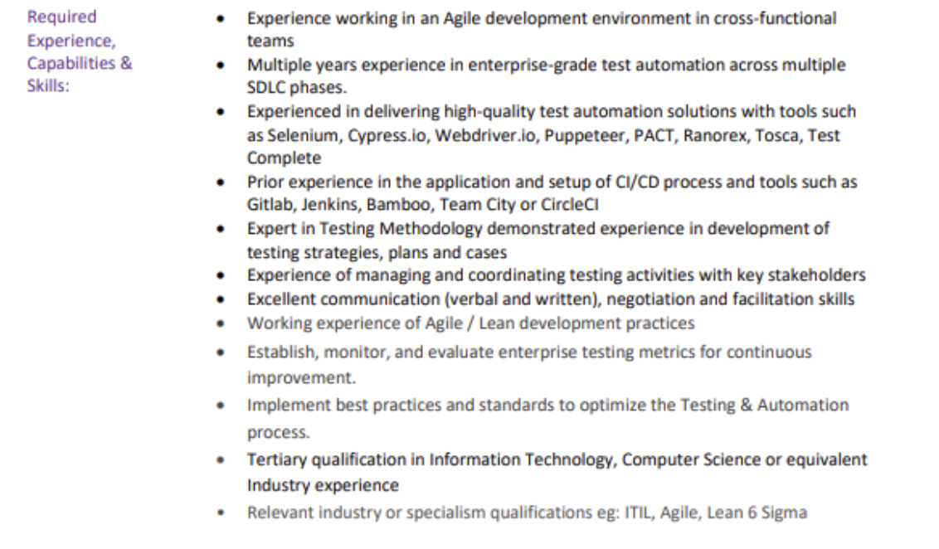
 | Web Service Testing​ | Testing; Web Services​ | 3 | Yes​ | 3
 | Visual Studio Code​ | Development Tool​ | 3 | Yes​ | 3
 | Groovy​ | Programming Language​ | 3 | Yes​ | 3
 | Selenium​ | Automation Testing​ | 2 | Yes​ | 2
 | SQL​ | Database​ | 2 | Yes​ | 2
 | Manual Testing Ability​ | Testing​ | 2 | Yes​ | 2
 | System & Integration Testing Ability​ | Testing​ | 2 | Yes​ | 2
 | Smoke Testing Ability​ | Testing​ | 2 | Yes​ | 2
 | DBeaver​ | Data Base Management​ | 2 | Yes​ | 2
 | Java​ | Programming Language​ | 2 | Yes​ | 2
 | Python | Programming Language | 2 |  | 2
 | Agile Ability​ | Testing | 2 | Yes​ | 2
 | JMeter​ | Automation Testing​ | 1 | No​ | 1
 | Database Testing Abbility​ | Automation Testing | 1 | No​ | 1
 | Scrum Master Ability​ | Development Methodology​ (Plan,..) | 1 | No​ | 1
 | Power BI​ | Business Intelligence; (...)​ | 0 | No​ | 0
 | Jira​ | Development Tool​ | 0 | Yes​ | 0
 | Postman​ | Development Tool​ | 0 | No​ | 0
 | Appium​ | Development Tool; Automation Testing​ | 0 | Yes​ | 0
 | NetBeans​ | IDE​ | 0 | No​ | 0
 | Mobile Testing​ | Testing​ | 0 | Yes​ | 0
 | Draw.io​ | UI Design​ | 0 | No​ | 0
 | IntelliJ​ | Development Tool​ | 0 | Yes​ | 0
 | Pytorch | Bonus
 | Streamit

 |  |  |  |  |  | 2024[QUATER 4][Project Experience as 3 yrs Auto Test Engineer]
 |  |  |  |  |  | Interview Process (3+) | CATERGORIES
 |  |  |  |  |  | Automation, Tools Development, and Productivity Technical Interview (75 Minutes) | Automation (ISTQB Extension) | Process and Strategy Development
 |  |  |  |  |  |  |  | Automation and Tool Development
 |  |  |  |  |  |  |  | Release Process Optimization
 |  |  |  |  |  |  |  | Monitoring and Metrics
 |  |  |  |  |  |  |  | Mentorship and Collaboration | Maintain or update project wiki Work on process documentation Maintain skill matrix document Create or update knowledge transfer material Come up with new suggestions for getting more clients Help organization for CMMI appraisals
 |  |  |  |  |  |  | Manual (ISTQB Foundation) | Test Design/ Test Case Development
 |  |  |  |  |  |  |  | Defect Management
 |  |  |  |  |  |  |  | Smoke/Regression/Intergration/System Test Type
 |  |  |  |  |  |  |  | Agile Framework (Regular Update, Manifesto, Test Plan, ...)
 |  |  |  |  |  |  |  | UAT
 |  |  |  |  |  |  |  | Function (UI, AI/ML, Real-time DA, e-commerce, ....)
 |  |  |  |  |  |  |  | DataBase
 |  |  |  |  |  |  |  | Requirement Study
 |  |  |  |  |  |  |  | Sprint/Deployment/Release
 |  |  |  |  |  | (75 minutes) Data Structures & Algorithms Technical Interview | Bonus | Experience, understanding of testing methodologies specific to AI/ML system and applications.
 |  |  |  |  |  |  |  | Experience with cloud environments.
 |  |  |  |  |  |  |  | Experience wtih real-time data analysis applications
 |  |  |  |  |  | Cuture Fit Interview
 |  |  |  |  |  | (75 minutes) Meeting with VP/Cofounder/Hiring Manager | Management

 |  |  |  |  |  |  |  |  |  | 2025[QUATER 1][Project Experience as Test Lead/Sub-Lead]
 |  |  |  |  |  |  |  |  |  | Certificate List For Net/Saving 1000$ as a TTA
 |  |  |  |  |  |  |  |  |  | Group 1 | IELTS 7.5, DELF B1
 |  |  |  |  |  |  |  |  |  |  | ISTQB Advanced - Te
 |  |  |  |  |  |  |  |  |  |  | AIO AI - First Prize/Top Student
 |  |  |  |  |  |  |  |  |  |  | BS.c Degree

 |  |  |  |  |  |  | 1 | Azure Devops for Testing | Be able to use ADO to create test plan, test cases, bugs, view work items, query bugs
 |  |  |  |  |  |  | 2 | Xpath | Have knowledge on Xpath and how to locate element
 |  |  |  |  |  |  | 3 | Katalon Studio | - Download & Setup. - Basiclly knowledge and know how to use Katalon to create feature file, TCs, Test Suite, Collection Test Suite
 |  |  |  |  |  |  | 4 | Git | - Have knowledge about configure git, Basic command git
 |  |  |  |  |  |  | 5 | CI/CD pipeline | - Setup Pipeline with yaml file - Setup Release - Setup schedule to running automation - Enable the Integration and Perform Authentication - Configure the Integration - Map test cases between Katalon Studio and Azure DevOps

